Sorted Data - Charts
0 | changed 1 to 0 for histogram buckets
2
3 |  | Charts begin on row 1916
4
4
4
5
5
5
6
6
7
7
8
8
9
9
10
11
11
12
12
12
12
12
13
14
14
14
15
15
15
15
16
16
16
18
18
19
19
20
21
21
21
21
22
22
23
23
24
25
25
25
25
25
27
27
27
29
30
30
31
31
31
31
32
34
34
35
35
37
37
37
37
38
39
39
39
39
40
41
41
41
42
42
42
42
43
44
45
45
46
46
46
47
47
48
48
49
49
50
51
51
51
52
52
52
54
55
55
55
56
56
58
58
58
59
59
59
60
61
61
61
62
62
62
63
63
63
64
64
65
65
65
65
66
66
66
66
67
67
68
68
69
69
69
70
72
72
74
74
74
74
74
74
75
75
76
77
77
77
77
78
78
78
78
79
79
82
82
82
83
83
84
84
84
84
84
85
86
87
87
88
89
92
93
93
94
94
95
95
95
96
97
97
97
98
98
98
98
99
101
102
103
104
105
105
105
106
106
107
107
108
108
109
109
110
110
110
111
111
112
112
112
113
113
114
115
115
116
116
117
119
119
119
120
121
121
122
123
123
124
124
124
124
124
124
126
127
127
127
128
129
129
129
129
129
130
131
131
131
131
132
132
132
132
132
134
134
134
134
134
135
135
135
136
136
137
137
138
138
138
139
140
140
141
142
142
143
143
143
145
146
147
147
147
148
148
149
149
149
150
151
151
151
153
153
153
154
154
155
155
156
156
156
157
158
158
159
160
160
160
161
161
162
162
163
164
164
165
165
165
166
168
169
169
169
170
170
171
171
171
172
172
176
176
178
178
179
180
183
184
184
184
184
184
185
185
187
187
189
189
190
190
190
191
191
192
192
193
193
196
197
198
199
200
203
203
206
207
208
211
211
218
218
219
219
222
222
223
223
223
224
224
225
227
227
228
228
229
229
230
230
231
231
231
231
232
232
232
232
233
233
233
235
236
236
236
238
239
241
241
242
242
243
244
244
244
244
245
245
246
246
246
246
246
247
248
248
249
249
251
251
252
252
252
254
255
257
257
258
259
260
260
264
265
265
266
270
270
271
272
272
273
273
273
274
275
276
276
277
277
277
278
279
279
279
280
280
280
281
281
282
283
283
284
284
285
285
286
286
287
287
287
289
290
291
291
291
291
292
292
293
293
293
294
294
295
295
295
296
296
296
296
297
297
298
299
300
301
302
302
304
304
305
305
305
306
306
307
307
308
308
309
309
310
311
314
314
315
315
317
317
318
318
318
318
319
319
321
322
322
322
323
325
325
326
326
326
328
329
329
329
331
331
331
334
336
337
338
338
338
341
345
345
345
346
346
346
347
347
348
348
349
350
351
351
353
353
354
355
355
355
355
355
356
356
356
358
359
360
361
361
362
362
363
364
364
365
365
365
365
365
365
366
367
367
368
368
369
369
369
369
371
371
374
374
374
375
375
379
379
380
381
381
381
382
383
383
384
385
385
385
385
385
387
387
387
387
389
389
389
389
389
390
391
391
391
391
392
392
392
393
393
394
394
394
394
396
396
397
397
398
399
400
401
401
403
403
403
404
404
406
406
406
407
407
407
408
409
411
412
414
414
414
415
417
417
417
418
419
420
420
420
422
422
422
422
423
424
425
426
426
427
427
427
427
428
428
430
433
433
436
436
437
439
440
440
441
441
441
441
442
442
442
444
444
446
446
447
448
449
450
451
453
453
453
453
454
456
457
458
458
458
459
461
461
463
463
464
465
466
466
467
469
469
469
469
469
469
469
470
470
472
472
472
473
474
474
474
474
476
479
482
483
485
485
485
486
487
487
487
488
488
490
490
492
493
493
493
493
495
498
498
498
498
501
502
502
505
505
506
507
508
508
508
509
509
511
513
513
513
513
514
515
519
519
520
520
522
522
524
524
525
527
527
527
528
528
529
529
531
531
532
532
532
532
533
534
534
535
536
536
537
537
537
537
539
540
541
541
541
543
543
544
546
548
548
548
549
549
551
552
553
554
555
556
556
559
560
561
562
563
564
565
565
566
566
567
567
568
568
570
572
572
574
574
574
575
577
577
578
578
578
578
578
580
580
581
583
586
586
586
587
588
592
593
594
594
595
598
598
600
600
601
603
606
607
607
609
610
611
611
612
614
615
618
619
620
621
621
622
623
623
624
625
625
626
629
631
631
632
633
634
634
634
635
636
636
637
638
641
641
641
642
642
642
643
644
644
644
644
645
645
646
648
649
649
649
649
651
653
654
655
656
656
657
660
661
662
662
662
663
663
663
664
665
667
669
670
672
674
675
675
676
677
678
679
679
679
680
681
682
683
684
684
684
685
686
687
688
689
689
689
690
692
692
693
694
696
697
697
699
702
702
703
706
710
711
711
712
712
713
714
714
715
717
720
723
723
723
726
726
727
727
727
729
730
730
731
732
735
738
738
739
741
743
745
745
746
746
748
749
749
749
751
756
757
757
758
758
760
761
764
765
766
767
768
769
769
769
770
772
772
773
774
777
777
778
780
783
783
784
784
784
785
785
785
785
786
788
788
791
793
795
796
797
797
798
798
799
799
801
801
803
804
804
805
808
809
810
810
810
811
811
811
813
813
814
821
821
823
824
826
827
827
828
832
835
835
837
838
839
841
841
843
846
847
848
852
852
853
853
855
855
857
857
858
858
861
861
862
862
863
864
867
870
873
873
874
874
875
877
878
878
879
881
881
884
885
886
887
888
888
889
892
892
892
893
894
895
895
895
896
897
898
898
899
900
900
904
904
906
907
910
910
911
911
912
914
914
915
917
918
920
923
923
924
924
926
926
928
931
934
935
936
937
940
940
942
943
946
948
949
951
953
954
955
957
964
968
968
968
970
973
977
978
978
978
979
979
983
984
984
985
986
988
989
995
995
996
997
997
998
1000
1001
1001
1002
1002
1003
1004
1006
1011
1011
1015
1015
1017
1018
1019
1022
1022
1024
1024
1025
1026
1026
1027
1027
1032
1033
1034
1035
1037
1040
1042
1046
1048
1049
1051
1052
1053
1054
1055
1056
1059
1059
1061
1062
1062
1062
1062
1064
1065
1065
1066
1071
1076
1077
1077
1081
1082
1083
1084
1085
1087
1088
1089
1091
1095
1095
1096
1097
1098
1098
1100
1100
1101
1102
1103
1110
1111
1112
1116
1119
1121
1123
1124
1127
1127
1129
1130
1133
1138
1138
1139
1140
1144
1145
1145
1147
1159
1160
1163
1165
1165
1169
1170
1171
1174
1176
1178
1178
1179
1182
1183
1184
1184
1185
1186
1188
1188
1190
1191
1192
1193
1195
1195
1196
1203
1205
1205
1207
1208
1215
1218
1219
1229
1231
1231
1234
1237
1238
1240
1241
1242
1244
1244
1245
1251
1253
1253
1261
1262
1263
1265
1265
1265
1268
1269
1270
1274
1274
1276
1277
1279
1281
1283
1285
1285
1285
1287
1292
1293
1294
1296
1301
1302
1303
1304
1309
1310
1311
1311
1312
1312
1313
1314
1316
1319
1329
1331
1333
1333
1333
1335
1336
1339
1339
1341
1341
1344
1344
1344
1345
1347
1348
1351
1352
1354
1354
1357
1362
1362
1363
1364
1365
1366
1366
1368
1371
1371
1372
1375
1377
1379
1380
1381
1383
1385
1386
1386
1386
1394
1394
1398
1400
1402
1402
1415
1416
1419
1421
1421
1424
1428
1428
1429
1430
1432
1433
1435
1436
1436
1437
1438
1441
1445
1446
1447
1449
1449
1450
1452
1455
1458
1459
1463
1465
1466
1469
1471
1472
1472
1473
1473
1477
1478
1481
1482
1483
1483
1486
1492
1492
1496
1498
1501
1503
1506
1511
1513
1514
1519
1524
1524
1529
1531
1534
1535
1540
1541
1544
1546
1546
1549
1550
1552
1552
1555
1557
1558
1558
1558
1564
1570
1572
1576
1577
1578
1578
1578
1582
1582
1583
1584
1584
1585
1589
1592
1596
1598
1600
1601
1606
1607
1612
1614
1614
1617
1623
1624
1624
1626
1628
1632
1632
1634
1634
1642
1643
1644
1645
1647
1649
1650
1655
1658
1659
1664
1665
1666
1671
1674
1678
1679
1688
1692
1696
1698
1699
1700
1703
1704
1704
1712
1713
1713
1727
1731
1735
1738
1740
1757
1761
1762
1762
1765
1772
1772
1775
1781
1781
1782
1783
1787
1789
1790
1798
1803
1804
1806
1812
1826
1826
1829
1832
1836
1838
1841
1841
1843
1843
1844
1857
1858
1863
1866
1871
1872
1877
1879
1885
1887
1889
1890
1892
1893
1896
1897
1897
1897
1899
1904
1905
1909
1911
1912
1922
1923
1926
1931
1935
1937
1937
1943
1944
1953
1955
1956
1957
1964
1964
1964
1974
1975
1978
1988
1990
1993
1995
1995
2004
2004
2004
2022
2025
2029
2031
2036
2040
2043
2052
2054
2060
2066
2070
2072
2082
2088
2090
2091
2095
2098
2100
2105
2109
2112
2112
2113
2117
2120
2124
2127
2128
2129
2141
2146
2149
2151
2154
2157
2159
2160
2161
2162
2167
2174
2181
2189
2198
2205
2225
2226
2231
2234
2244
2246
2256
2275
2279
2282
2282
2284
2290
2290
2291
2296
2298
2301
2302
2303
2303
2311
2312
2313
2313
2313
2314
2320
2335
2337
2339
2340
2349
2349
2356
2359
2393
2394
2415
2416
2437
2437
2446
2459
2459
2462
2462
2472
2483
2492
2494
2501
2506
2506
2506
2518
2522
2522
2535
2539
2551
2554
2563
2565
2565
2573
2578
2589
2603
2616
2617
2618
2628
2630
2639
2647
2654
2655
2662
2666
2696
2701
2709
2709
2710
2711
2713
2718
2723
2723
2758
2761
2776
2780
2784
2787
2789
2798
2800
2807
2807
2843
2851
2852
2857
2873
2884
2890
2930
2932
2950
2951
2961
2964
2988
2989
2993
2993
2998
3016
3016
3023
3031
3031
3046
3059
3059
3088
3092
3095
3116
3119
3119
3121
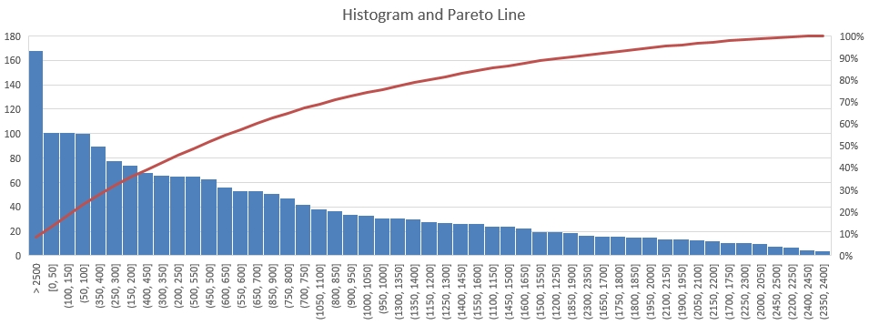
3164
3164
3165
3167
3219
3224
3240
3253
3274
3286
3291
3398
3411
3414
3435
3435
3445
3454
3454
3459
3482
3504
3507
3533
3535
3550
3554
3575
3604
3615
3634
3636
3645
3655
3665
3672
3678
3684
3688
3689
3757
3769 |  | Sorted Spacings
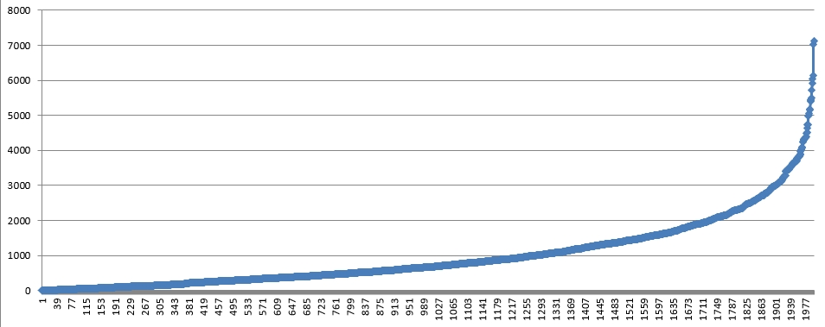
3785
3803
3818
3821
3823
3857
3873
3906
3966
4009
4029
4058
4094
4245
4248
4297
4315
4318
4329
4346
4358 |  | Sorted Spacings
 | 0
 | 2
 | 3
 | 4
 | 4
 | 4
 | 5
 | 5
 | 5
 | 6
 | 6
 | 7
 | 7
 | 8
 | 8
 | 9
 | 9
 | 10
 | 11
 | 11
 | 12
 | 12
 | 12
 | 12
 | 12
 | 13
 | 14
 | 14
 | 14
 | 15
 | 15
 | 15
 | 15
 | 16
 | 16
 | 16
 | 18
 | 18
 | 19
 | 19
 | 20
 | 21
 | 21
 | 21
 | 21
 | 22
 | 22
 | 23
 | 23
 | 24
...
4360
4386
4493
4504
4640
4731
4744
4969
4995
5064
5157
5187
5387
5411
5444
5492
5727
5912
6029
6139
7012
7122

Average | 990.7635
Median | 671
Variance | 978965.06657
Standard Deviation | 989.42663526

